Cover


Safety
ESG Standards and Databook 2026
Safety performance data
Data in italics indicates that data has been restated since it was reported in the ESG Standards and Databook 2025. Due to the lag nature of incident reporting and subsequent verification, final results may vary post reporting.

Regional summary for FY2026
per million hours worked
Region | Employee fatalities | Contractor fatalities | Employee total recordable injury frequency (TRIF)2 | Contractor TRIF2 | Employee high potential injury frequency2 | Contractor high potential injury frequency2
Asia | 0 | 0 | 0.0 | 0.0 | 0.0 | 0.0
Australia | 0 | 0 | 7.0 | 7.3 | 0.0 | 0.1
Europe | 0 | 0 | 0.0 | 0.0 | 0.0 | 0.0
North America | 0 | 0 | 4.3 | 3.5 | 0.0 | 0.0
South America | 0 | 0 | 1.1 | 1.0 | 0.1 | 0.1
Total | 0 | 0 | 5.3 | 4.1 | 0.0 | 0.1

Injury rates for FY2026
SASB basis – per 200,000 hours worked
 |  | Employees | Contractors
Total recordable injury frequency1 | Per 200,000 hours worked | 1.06 | 0.82
High potential injury frequency1 | Per 200,000 hours worked | 0.01 | 0.02
High consequence injury frequency1 | Per 200,000 hours worked | 0.20 | 0.05
Number of recordable work-related injuries |  | 369 | 462
Number of high consequence work-related injuries |  | 70 | 30
Number of hours worked |  | 69,446,880 | 113,214,127

Total recordable injury frequency, high potential injuries and high potential injury frequency3
per million hours worked
Year | Total recordable injury frequency (TRIF)2 | % change | High potential injury (HPI) | % change | High potential injury frequency (HPIF)2 | % change
FY2026 | 4.5 | 0% | 12 | -29% | 0.07 | -27%
FY2025 | 4.5 | -6% | 17 | -19% | 0.09 | -20%
FY2024 | 4.8 | 10% | 21 | -28% | 0.11 | -37%
FY2023 | 4.4 | 6% | 29 | 38% | 0.18 | 25%
FY2022 | 4.1 | 10% | 21 | -34% | 0.14 | -33%

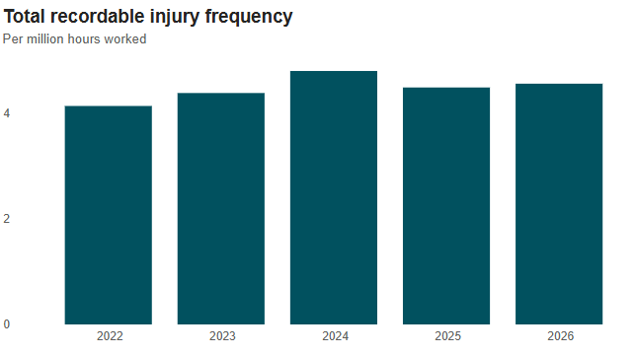
Footnotes
1. Frequency rate based on number of employee or contractor injuries (either high potential injuries (HPIs) or total recordable injuries (TRIs)) per 200,000 hours worked.
2. Frequency rate based on number of employee or contractor injuries (either HPIs or TRIs) per 1 million hours worked.
3. Historical data updated to reflect current data due to continued QA/QC practices, including rounding, reallocation of exposure hours and updated event classifications.

Health
ESG Standards and Databook 2026
Health performance data
Data in italics indicates that data has been restated since it was reported in the ESG Standards and Databook 2025. Due to the lag nature of incident reporting and subsequent verification, final results may vary post reporting.
Occupational illnesses excludes COVID-19 related data.

Occupational illness incidence – total by region1,4
Occupational illness per million hours worked
Region | FY2022 | FY2023 | FY2024 | FY2025 | FY2026
Asia | 0.0 | 0.2 | 0.0 | 0.0 | 0.0
Australia | 3.6 | 4.5 | 4.2 | 5.2 | 4.9
Europe | 0.0 | 0.0 | 0.0 | 0.0 | 0.0
North America | 0.4 | 1.3 | 0.4 | 0.6 | 0.3
South America | 1.1 | 1.2 | 0.7 | 0.6 | 0.8
Total | 2.5 | 3.1 | 2.7 | 3.0 | 3.0

Occupational illness incidence – employee by region1,4
Occupational illness per million hours worked
Region | FY2022 | FY2023 | FY2024 | FY2025 | FY2026
Asia | 0.0 | 0.3 | 0.0 | 0.0 | 0.0
Australia | 4.5 | 5.7 | 5.2 | 6.5 | 6.5
Europe | 0.0 | 0.0 | 0.0 | 0.0 | 0.0
North America | 0.0 | 0.0 | 0.0 | 0.0 | 0.9
South America | 3.3 | 2.5 | 1.5 | 1.2 | 1.9
Total | 3.9 | 4.6 | 4.1 | 5.0 | 5.1

Occupational illness incidence – contractor by region1,4
Occupational illness per million hours worked
Region | FY2022 | FY2023 | FY2024 | FY2025 | FY2026
Asia | 0.0 | 0.0 | 0.0 | 0.0 | 0.0
Australia | 2.7 | 3.3 | 3.4 | 3.9 | 3.3
Europe | 0.0 | 0.0 | 0.0 | 0.0 | 0.0
North America | 0.4 | 1.5 | 0.4 | 0.6 | 0.2
South America | 0.3 | 0.8 | 0.5 | 0.4 | 0.5
Total | 1.5 | 2.0 | 1.8 | 1.9 | 1.7
Occupational illness incidence – employee1,4
 |  | Actual numbers |  |  | Occupational illness per million employee hours worked
Year | Total occupational illness – employee | Noise-induced hearing loss | Musculoskeletal illness | Other illnesses | Noise-induced hearing loss | Musculoskeletal illness | Other illnesses | Total
FY2026 | 353 | 49 | 232 | 72 | 0.71 | 3.34 | 1.04 | 5.08
FY2025 | 342 | 64 | 207 | 71 | 0.93 | 3.01 | 1.03 | 4.97
FY2024 | 285 | 55 | 188 | 42 | 0.79 | 2.71 | 0.60 | 4.10
FY2023 | 311 | 39 | 221 | 51 | 0.58 | 3.30 | 0.76 | 4.65
FY2022 | 245 | 43 | 151 | 51 | 0.69 | 2.42 | 0.82 | 3.92

Occupational illness incidence – contractor1,4
 |  | Actual numbers |  |  | Occupational illness per million contractor hours worked
Year | Total occupational illness – contractor | Noise-induced hearing loss | Musculoskeletal illness | Other illnesses | Noise-induced hearing loss | Musculoskeletal illness | Other illnesses | Total
FY2026 | 198 | 0 | 120 | 78 | 0.00 | 1.06 | 0.69 | 1.75
FY2025 | 235 | 0 | 158 | 77 | 0.00 | 1.31 | 0.64 | 1.94
FY2024 | 215 | 1 | 138 | 76 | 0.01 | 1.17 | 0.64 | 1.82
FY2023 | 194 | 0 | 137 | 57 | 0.00 | 1.40 | 0.58 | 1.98
FY2022 | 132 | 0 | 87 | 45 | 0.00 | 1.01 | 0.52 | 1.52

Regional summary for FY20261
Per million hours worked
Region | Employee occupational illness incidence | Contractor occupational illness incidence
Asia | 0.0 | 0.0
Australia | 6.5 | 3.3
Europe | 0.0 | 0.0
North America | 0.9 | 0.2
South America | 1.9 | 0.5
Total | 5.1 | 1.7

Occupational exposure reduction trend over time2,3
 | FY2022 | FY2023 | FY2024 | FY2025 | FY2026
Coal mine dust exposures | 0 | 0 | 0 | 0 | 0
Silica exposures | 1006 | 681 | 704 | 952 | 679
DPM (diesel) exposures | 327 | 211 | 555 | 149 | 135

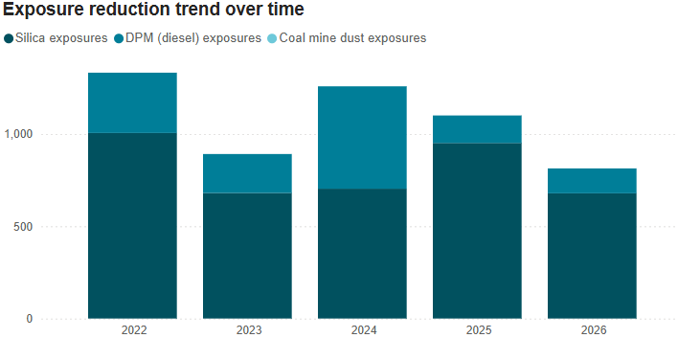

Coal Mine Dust Lung Disease cases 3,5,6
 | FY2022 | FY2023 | FY2024 | FY2025 | FY2026
Cases reported to Workers' Compensation Regulatory Services | 12 | 9 | 21 | 21 | 36
Claims accepted for current employee | 1 | 4 | 2 | 1 | 2
Claims accepted for former employee | 3 | 5 | 11 | 0 | 1

Footnotes
1. Frequency rate based on number of employee or contractor illnesses per 1 million hours worked.
2. Occupational exposure data is presented without considering protection from the use of personal protective equipment (where required as outlined in the Health Global Standard). The data excludes Projects.
3. As of FY2021, the occupational exposure limit for Coal was reduced to 1.5 mg/m3 compared to 2.0 mg/m3 in previous years.
4. Historical data updated to reflect current data due to continued QA/QC practices, including rounding, reallocation of exposure hours and updated event classifications.
5. CMDLD is the name given to the lung diseases related to exposure to coal mine dust and includes coal workers’ pneumoconiosis, silicosis, mixed dust pneumoconiosis and chronic obstructive pulmonary disease.
6. Cases reported to Workers’ Compensation Regulatory Services are not an indication that the CMDLD was related to work. Each case is evaluated for work-relatedness and, where identified, the case will be included in occupational illness reporting.

Water
ESG Standards and Databook 2026
Water performance data
FY2022–FY2025 data excludes former OZ Minerals sites Carrapateena and Prominent Hill, and FY2022–FY2024 water data excludes former OZ Minerals project West Musgrave, as the data was not reported in accordance with ICMM’s Water Reporting: Good Practice Guide (2nd Edition, 2021) and the Minerals Council of Australia’s Water Accounting Framework. Data in italics indicates that data has been restated since it was reported in the ESG Standards and Databook 2025. Data has been rounded to the nearest 10 megalitres and in some instances the sum of totals for quality, source and destination may differ due to rounding.

Total operational water withdrawals1
Megalitres (ML)
Year ended 30 June | FY2022 | FY2023 | FY2024 | FY2025 | FY2026
Type 1 (high quality) | 46,110 | 46,660 | 55,630 | 64,950 | 87,270
Type 2 (high quality) | 74,320 | 85,880 | 55,480 | 97,790 | 91,690
Type 3 (low quality) | 282,710 | 268,940 | 269,460 | 266,920 | 282,560
Surface water | 54,980 | 54,200 | 27,230 | 85,190 | 98,460
Groundwater | 88,380 | 93,140 | 88,270 | 82,820 | 87,750
Seawater | 222,570 | 213,920 | 223,440 | 221,860 | 234,740
Third-party water | 37,210 | 40,220 | 41,640 | 39,790 | 40,570

Total operational water discharges2
Megalitres (ML)
Year ended 30 June | FY2022 | FY2023 | FY2024 | FY2025 | FY2026
Type 1 (high quality) | – | – | – | – | 40
Type 2 (high quality) | 5,810 | 7,980 | 3,660 | 19,830 | 52,430
Type 3 (low quality) | 128,720 | 126,500 | 123,370 | 126,570 | 147,680
Surface water | 6,280 | 8,570 | 4,260 | 20,410 | 53,100
Groundwater | 1,490 | 4,070 | 4,410 | 5,930 | 8,150
Seawater | 126,670 | 121,720 | 118,200 | 119,920 | 138,840
Third-party water | 90 | 120 | 160 | 130 | 70

Footnotes
1.FY2022 Type 2 third-party withdrawal data used as the baseline for Pampa Norte Spence’s FY2026 context-based water target milestone has been restated, to incorporate validated volumes from the commissioning period for a new concentrator, which was not fully captured in the original FY2022 reporting.
2. FY2022–FY2025 data for WAIO has been restated. Volumes previously reported as Type 2 surface water discharge were reclassified to water consumption Type 1 water (evaporation) following confirmation that water was discharged to an on-site pond rather than an off-site receiving environment. The restatement has no impact on total water withdrawals and has been applied to align reported data with BHP's water reporting methodology.

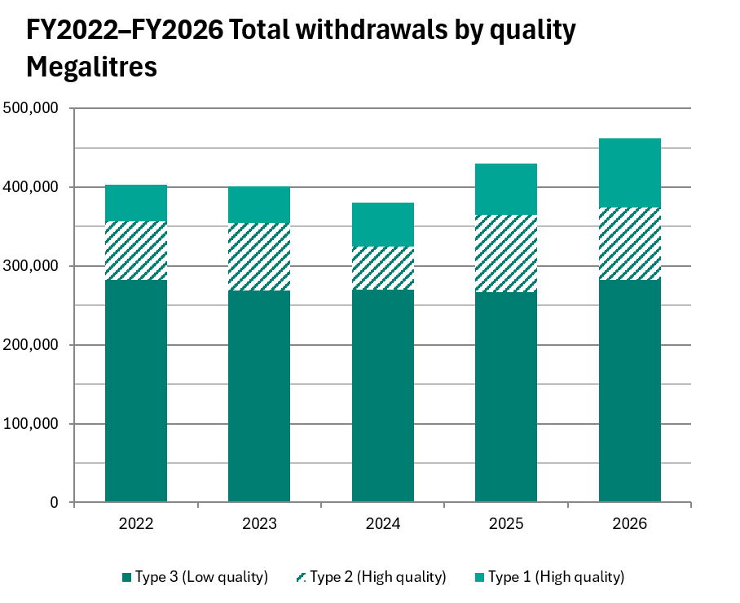 |  |  |  | 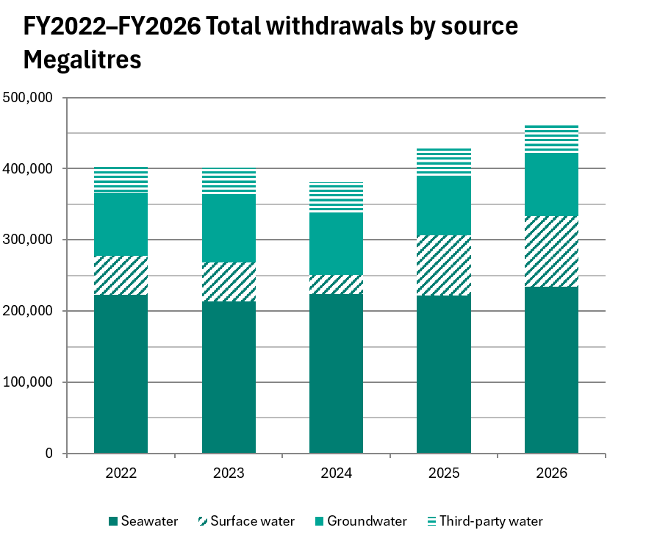

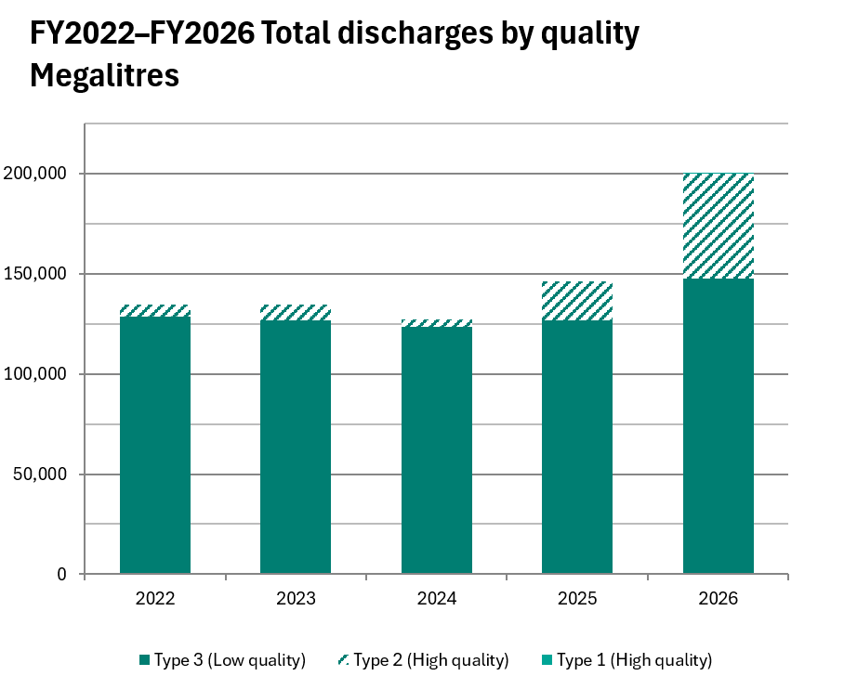 |  |  |  | 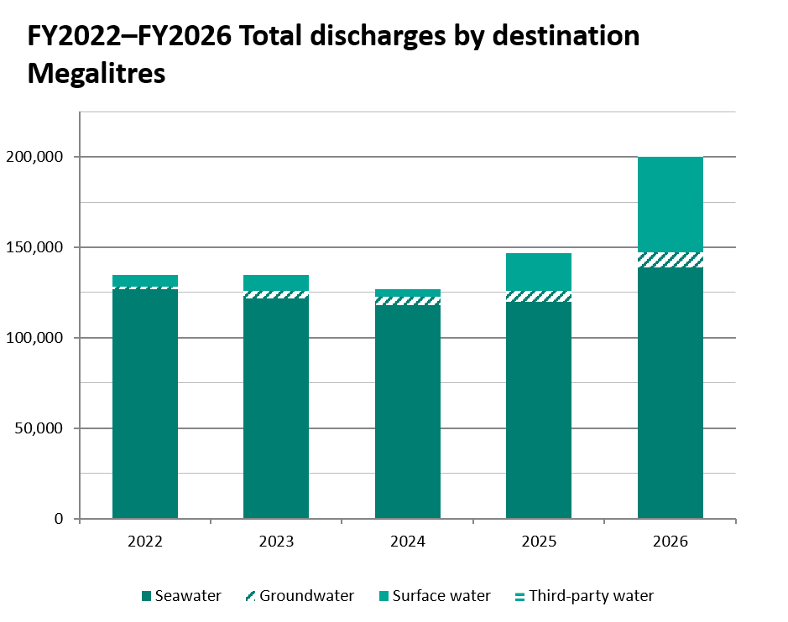

Energy and GHG
ESG Standards and Databook 2026
Operational energy consumption and GHG emissions

Important information
In this tab: - Operational energy consumption and intensity (unadjusted) - Operational GHG emissions (Scopes 1 and 2 emissions from our operated assets) and intensity (unadjusted) - Value chain GHG emissions (Scope 3 emissions) (unadjusted) Notes and methodology: - Energy consumption and emissions (unadjusted) data excludes divestments from the completion date or effective economic date (as applicable) of the divestment, and includes acquisitions from the date of acquisition. - Divestments are the Blackwater and Daunia mines (sale by BMA completed on 2 April 2024), BMC (sale of our interest in BMC completed on 3 May 2022) and our Petroleum business (merger with Woodside completed on 1 June 2022). - Acquisitions are the former OZ Minerals facilities from the date of acquisition (completed on 2 May 2023) in FY2023, excluding the now divested OZ Minerals Brazil assets. This covers the former OZ Minerals facilities that form part of our Copper South Australia asset and West Musgrave that forms part of Western Australia Nickel. - Rounding: In some instances, the sum of totals for sources and gases may differ due to rounding. Operational energy consumption - Energy consumed is reported for activities under BHP's operational control. - Energy consumed boundary: Aligns with the organisational boundary used to report operational GHG emissions (see BHP Annual Report 2026 Sustainability Report 7 Basis of preparation, interpretation and GHG emissions calculation methodology), 100 per cent of energy consumed in activities under BHP's operational control. It includes all fuels and electricity consumed in the operation of vehicles and machinery; in onsite heat, steam or electricity generation activities; as a chemical or process feedstock; or for any other purpose. It includes energy consumed from renewable sources, which is also reported as a separate metric. Total operations basis excludes divestments from the completion date or effective economic date (as applicable) of t

Operational energy consumption

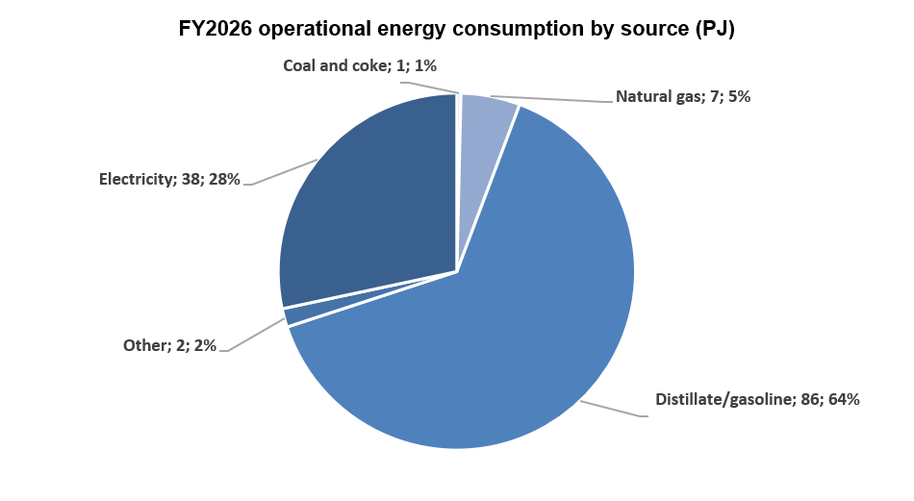

 | FY2020 |  | FY2021 |  | FY2022 |  | FY2023 |  | FY2024 |  | FY2025 |  | FY2026
Operational energy consumption | PJ | % | PJ | % | PJ | % | PJ | % | PJ | % | PJ | % | PJ | %
Consumption of fuel | 114 | 100% | 118 | 100% | 112 | 100% | 99 | 100% | 103 | 100% | 95 | 100% | 96 | 100%
– Coal and coke | 1 | 1% | 1 | 1% | 1 | 1% | 1 | 1% | 1 | 1% | 1 | 1% | 0 | 1%
– Natural gas | 21 | 18% | 23 | 19% | 22 | 20% | 11 | 11% | 11 | 11% | 9 | 9% | 7 | 8%
– Distillate/gasoline | 90 | 79% | 91 | 77% | 87 | 78% | 85 | 86% | 88 | 86% | 84 | 88% | 86 | 90%
– Other | 2 | 2% | 3 | 3% | 2 | 2% | 2 | 2% | 3 | 3% | 2 | 2% | 2 | 2%
Consumption of electricity | 36 | 100% | 37 | 100% | 37 | 100% | 39 | 100% | 40 | 100% | 38 | 100% | 38 | 100%
Total operational energy consumption | 150 | 100% | 155 | 100% | 149 | 100% | 138 | 100% | 143 | 100% | 133 | 100% | 134 | 100%

Operational energy intensity (GJ per tonne of copper equivalent production) | 29 |  | 31 |  | 31 |  | 29 |  | 30 |  | 28 |  | 29

Notes: - Definition: Energy consumption refers to the annual quantity of energy consumed by BHP from the combustion of fuel and operation of our facilities, together with purchased or acquired electricity, steam, heat or cooling consumed by our operated assets. Notes: - Definition: Energy consumption refers to the annual quantity of energy consumed by BHP from the combustion of fuel and operation of our facilities, together with purchased or acquired electricity, steam, heat or cooling consumed by our operated assets. - Operational energy consumption from renewable sources includes third-party supplied renewable electricity as evidenced by renewable energy certificates (RECs) or supplier-provided documentation. For operations in Chile, final validation for surrender of the rights to claim renewable energy attributes occurs on a calendar year basis, and for our operations in Australia, surrender of voluntary renewable energy attributes (large-scale generation certificates) can occur after the financial year. Given we report on a financial year basis, we will review our reported Scope 2 emissions at the close of the calendar year and restate in the next BHP Annual Reporting Suite if any material variation is found. Operational energy consumption from renewable sources is greater than the energy quantity underpinned by RECs due to inclusion of additional renewable electricity supplied under the BMA CleanCo PPA evidenced by supplier-provided documentation, and a small quantity of biofuels consumed in a trial in FY2023. - Operational energy intensity (GJ per tonne of copper equivalent production) FY2020, FY2021, FY2022, FY2023, FY2024 and FY2025 reported values have been restated due to calculations now based on FY2026 average realised product prices, with production figures consistent with operational energy consumption reporting boundaries. Previously reported values were 24, 26, 26, 24, 25 and 24 GJ per tonne of copper equivalent production for FY2020, FY2021, FY2022

Operational GHG emissions (Scopes 1 and 2 emissions from our operated assets)

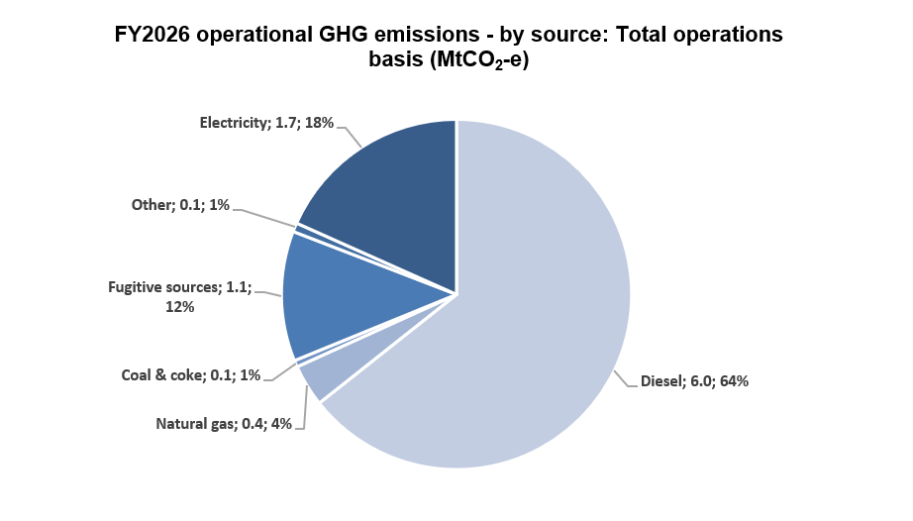

Operational GHG emissions (MtCO2-e) | FY2020 | FY2021 | FY2022 | FY2023 | FY2024 | FY2025 | FY2026
Scope 1 emissions | 9.6 | 10.1 | 9.1 | 8.0 | 8.1 | 7.3 | 7.6
Scope 2 emissions | 6.3 | 6.2 | 3.1 | 1.9 | 1.9 | 1.3 | 1.7
Total operational GHG emissions | 15.9 | 16.3 | 12.2 | 9.9 | 10.0 | 8.7 | 9.4

Operational GHG emissions ‒ by source (MtCO2-e) | FY2020 | FY2021 | FY2022 | FY2023 | FY2024 | FY2025 | FY2026
Scope 1 | 9.6 | 10.1 | 9.1 | 8.0 | 8.1 | 7.3 | 7.6
– Diesel | 6.3 | 6.4 | 6.1 | 6.0 | 6.2 | 5.9 | 6.0
– Natural gas | 1.1 | 1.2 | 1.1 | 0.5 | 0.6 | 0.4 | 0.4
– Coal and coke | 0.1 | 0.1 | 0.1 | 0.1 | 0.1 | 0.1 | 0.1
– Fugitive sources | 2.0 | 2.3 | 1.6 | 1.3 | 1.2 | 0.9 | 1.1
– Other | 0.1 | 0.1 | 0.1 | 0.1 | 0.1 | 0.1 | 0.0
Scope 2 (market-based) | 6.3 | 6.2 | 3.1 | 1.9 | 1.9 | 1.3 | 1.7
– Electricity | 6.3 | 6.2 | 3.1 | 1.9 | 1.9 | 1.3 | 1.7

Operational GHG emissions ‒ other metrics | FY2020 | FY2021 | FY2022 | FY2023 | FY2024 | FY2025 | FY2026
Operational GHG emissions intensity (tonnes CO2-e per tonne of copper equivalent production) | 3.1 | 3.2 | 2.5 | 2.1 | 2.1 | 1.8 | 2.0
Scope 1 emissions intensity ‒ energy basis (MtCO2-e per PJ non-electricity energy consumed) | 0.08 | 0.09 | 0.08 | 0.08 | 0.08 | 0.08 | 0.08
Scope 2 emissions intensity ‒ energy basis (MtCO2-e per PJ electricity consumed) | 0.17 | 0.17 | 0.08 | 0.05 | 0.05 | 0.03 | 0.05
Proportion of Scope 1 emissions covered under an emissions-limiting regulation (%) | 81% | 81% | 78% | 80% | 77% | 75% | 71%
Proportion of Scope 1 emissions from methane (%) | 19% | 22% | 17% | 16% | 14% | 12% | 14%
GHG emissions from combustion of biofuels (MtCO2-e) | 0.0 | 0.0 | 0.0 | 0.0 | 0.0 | 0.0 | 0.0
Location-based Scope 2 emissions (MtCO2-e) | 5.1 | 5.0 | 5.0 | 4.0 | 3.7 | 3.1 | 3.3
Voluntary carbon credits retired (MtCO2-e) | 0.0 | 0.3 | 0.0 | 0.0 | 0.0 | 0.0 | 0.0

Scope 1 emissions by GHG (MtCO2-e) | FY2020 | FY2021 | FY2022 | FY2023 | FY2024 | FY2025 | FY2026
Carbon dioxide (CO2) | 7.8 | 7.9 | 7.5 | 6.7 | 6.9 | 6.5 | 6.5
Methane (CH4) | 1.8 | 2.2 | 1.5 | 1.3 | 1.2 | 0.9 | 1.1
Nitrous oxide (N2O) | 0.0 | 0.0 | 0.0 | 0.0 | 0.0 | 0.0 | 0.0
Sulphur hexafluoride (SF6) | 0.0 | 0.0 | 0.0 | 0.0 | 0.0 | 0.0 | 0.0
Nitrogen trifluoride (NF3) | 0.0 | 0.0 | 0.0 | 0.0 | 0.0 | 0.0 | 0.0
Hydrofluorocarbons (HFCs) | 0.0 | 0.0 | 0.0 | 0.0 | 0.0 | 0.0 | 0.0

Notes: - Definition: Scope 1 emissions are direct GHG emissions that occur from sources that we own or control. Scope 2 emissions are indirect GHG emissions from the generation of our purchased or acquired electricity, steam, heating or cooling consumed by an entity. Scope 2 emissions have been calculated using the market-based method, unless otherwise specified, in alignment with the Greenhouse Gas Protocol Scope 2 Guidance. - Scope 2 emissions calculation method: Our Scope 2 emissions have been calculated using the market-based method, in line with the GHG Protocol Scope 2 Guidance unless otherwise specified. From FY2026, BHP’s operated assets in Australia have adopted the use of a national residual mix factor (RMF) in their market-based Scope 2 emissions calculations. For operations in Chile, final validation for surrender of the rights to claim renewable energy attributes occurs on a calendar year basis, and for our operations in Australia, surrender of voluntary renewable energy attributes (large-scale generation certificates) can occur after the financial year. Given we report on a financial year basis, we will review our reported Scope 2 emissions at the close of the calendar year and restate in the next BHP Annual Reporting Suite if any material variation is found. - GWP source: where we use direct measurement to calculate the operational GHG emissions of our Australian assets, BHP uses GWP values from the IPCC’s Fifth Assessment Report (AR5). Scope 2 location-based GHG emissions for our Chilean assets have been calculated using GWP values from the IPCC’s Sixth Assessment Report (AR6) as they are embedded in the emission factors published by the Chilean Electric Coordinator (CEN). For all other emissions calculations, BHP applies GWP values from prior IPCC Assessment Reports due to the use of emissions factors that are pre-converted to CO2-e values, and calculation methodologies based on estimated activity data. - Scope 1 emissions intensity ‒ energy ba

Value chain GHG emissions (Scope 3 emissions)
Scope 3 emissions (MtCO2-e) | FY2020 | FY2021 | FY2022 | FY2023 | FY2024 | FY2025 | FY2026
Category 1, Purchased goods and services (including capital goods) | 9.2 | 9.3 | 8.8 | 9.4 | 11.7 | 10.9 | 9.7
Category 3, Fuel- and energy-related activities | 2.6 | 2.3 | 2.5 | 3.1 | 3.1 | 2.6 | 2.1
Category 4, Upstream transportation and distribution | 5.0 | 5.2 | 4.9 | 4.8 | 4.8 | 4.6 | 4.6
– Shipping | 4.6 | 4.9 | 4.5 | 4.3 | 4.3 | 4.3 | 4.4
– Non-shipping | 0.4 | 0.4 | 0.4 | 0.5 | 0.4 | 0.3 | 0.2
Category 6, Business travel | 0.1 | 0.1 | 0.1 | 0.1 | 0.1 | 0.1 | 0.1
Category 7, Employee commuting | 0.2 | 0.4 | 0.3 | 0.2 | 0.3 | 0.3 | 0.3
Category 9, Downstream transportation and distribution | 3.2 | 3.3 | 3.5 | 2.5 | 2.5 | 2.0 | 1.8
– Shipping | 3.1 | 3.3 | 3.5 | 2.3 | 2.1 | 1.5 | 1.3
– Non-shipping | 0.1 | 0.0 | 0.0 | 0.2 | 0.3 | 0.5 | 0.5
Category 10, Processing of sold products | 345.9 | 351.5 | 354.0 | 360.7 | 363.9 | 363.8 | 367.2
– Iron ore processing to crude steel | 270.2 | 276.1 | 288.2 | 301.5 | 317.0 | 326.1 | 328.6
– Metallurgical coal processing to crude steel | 74.4 | 74.2 | 64.2 | 57.3 | 44.9 | 36.0 | 37.0
– Copper processing | 1.3 | 1.2 | 1.3 | 1.4 | 1.5 | 1.7 | 1.6
– Nickel processing | 0.0 | 0.0 | 0.3 | 0.5 | 0.5 | 0.0 | 0.0
Category 11, Use of sold products | 79.5 | 73.0 | 76.8 | 39.5 | 39.3 | 38.7 | 42.5
– Energy coal | 39.1 | 34.9 | 41.9 | 39.5 | 39.3 | 38.7 | 42.5
– Natural gas, crude oil and condensates, natural gas liquids | 40.4 | 38.1 | 34.9 | 0.0 | 0.0 | 0.0 | 0.0
Category 15, Investments (i.e. our non-operated assets) | 2.6 | 2.7 | 2.5 | 0.6 | 0.7 | 0.7 | 0.7
– Compañía Minera Antamina S.A. (Antamina) ‒ BHP interest 33.75% | 0.2 | 0.2 | 0.3 | 0.3 | 0.3 | 0.3 | 0.3
– Samarco Mineração S.A. (Samarco) ‒ BHP interest 50,00% | 0.0 | 0.2 | 0.3 | 0.3 | 0.4 | 0.4 | 0.4
– Solgold Plc ‒ BHP interest 10.36% | 0.0 | 0.0 | 0.0 | 0.0 | 0.0 | 0.0 | 0.0
– Filo Corp ‒ BHP interest 50.00% | 0.0 | 0.0 | 0.0 | 0.0 | 0.0 | 0.0 | 0.0
– Others (Divested) | 2.4 | 2.3 | 1.9 | 0.0 | 0.0 | 0.0 | 0.0
Total Scope 3 emissions | 448.3 | 447.8 | 453.4 | 420.9 | 426.4 | 423.7 | 429.0

Notes: - Definition: Scope 3 emissions are all Indirect greenhouse gas emissions (not included in Scope 2 greenhouse gas emissions) that occur in the value chain, including both upstream and downstream emissions. Scope 3 greenhouse gas emissions include the Scope 3 categories in the Greenhouse Gas Protocol Corporate Value Chain (Scope 3) Accounting and Reporting Standard (2011). - Organisational boundary: In FY2026 we have changed our organisational boundary for reporting Scope 3 emissions to operational control to be consistent with the organisational boundary used for reporting our Scope 1 and Scope 2 emissions, as required under AASB S2. As a result of these changes, Scope 3 emissions associated with assets under our operational control are accounted at 100 per cent irrespective of BHP’s equity ownership in the operated asset. Scope 3 emissions from non-operated assets (i.e. Scope 1 and Scope 2 emissions of non-operated assets) are accounted under Category 15 Investments and reflect BHP’s equity in those assets. The primary impact of this change is an increase in the steelmaking emissions included in our reported Scope 3 inventory due to production from Western Australian Iron Ore (WAIO) being accounted at 100 per cent under operational control instead of 85 per cent (reflecting equity ownership). - Assessing and comparing reductions in Scope 3 emissions should consider the impact that acquisitions and divestments have had. - All Scope 3 emissions data includes divested operations only up to the completion date or effective economic date (as applicable) of the divestment. Divestments include divestment of our interest in the Rhourde Ouled Djemma (ROD) Integrated Development (completed in April 2022), divestment of our interest in BMC (completed on 3 May 2022), divestment of our Petroleum business (merger with Woodside completed on 1 June 2022) and BMA’s divestment of the Blackwater and Daunia mines (completed on 2 April 2024). - Category 1, Purchased goods and s

GHG targets and goals
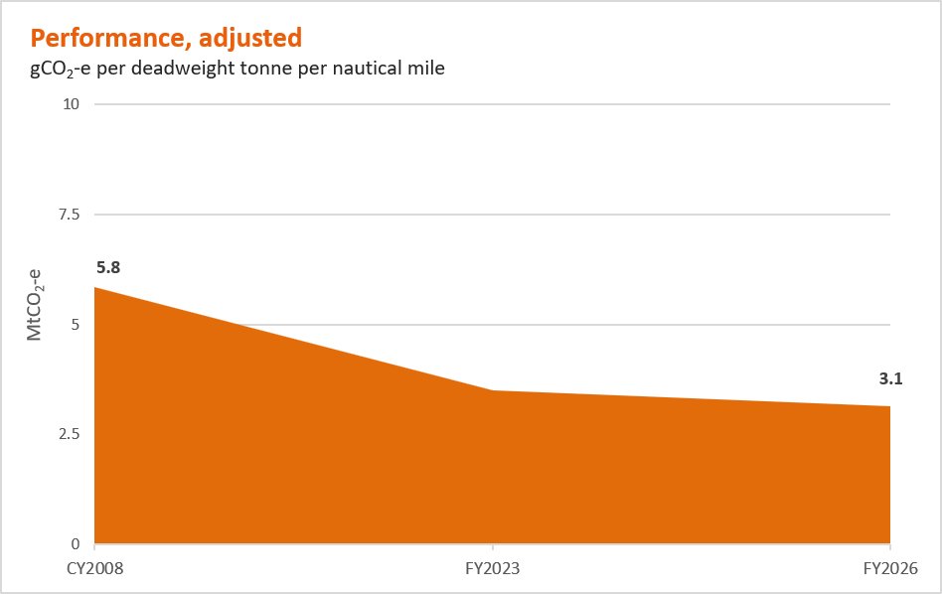
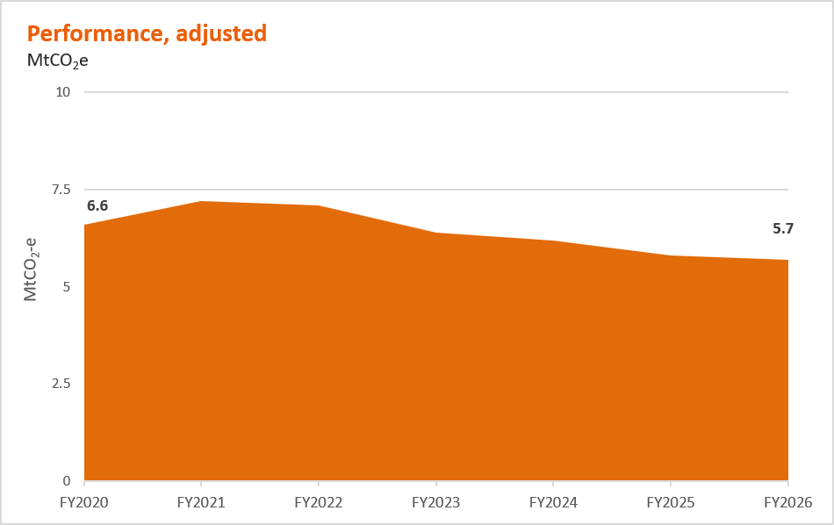
ESG Standards and Databook 2026
GHG emissions targets and goals

Important information
In this tab: - Operational GHG emissions (Scopes 1 and 2 emissions from our operated assets) target and goal performance (adjusted) - Value chain GHG emissions (Scope 3 emissions) target and goals performance (adjusted) Notes: -For more information on the essential definitions, assumptions, GHG emissions boundaries, measurement approach and adjustments for our targets and goals, refer to BHP Annual Report 2026 Sustainability Report 5 Metrics and targets and 7 Basis of preparation, interpretation and GHG emissions calculation methodology. For the definition of 'adjusted' and 'unadjusted' refer to BHP Annual Report 2026 Sustainability Report 5 Metrics and Targets. - FY2020 baseline includes operational GHG emissions for Western Australia Nickel, which transitioned into temporary suspension at the end of the first half of FY2025 and so has a much lower emissions inventory in FY2026. We have transitioned to using a national residual mix factor at our Australian assets, which drove an adjustment to our operational GHG emissions. - Change against FY2020 baseline year and reference year (or Change against FY2008 baseline year) is the percentage difference between performance year data and the baseline year data / reference year data (both adjusted). - For operational GHG emissions: Adjustments due to methodology changes include adjustments to performance year data and the baseline year / reference year data resulting from changes in methodology. Positive adjustments indicate that the methodology change increased GHG emissions relative to the unadjusted data and negative adjustments indicate that the methodology change decreased GHG emissions relative to the unadjusted data. - For operational GHG emissions: Adjustments due to acquisitions and divestments include adjustments to performance year data and the baseline year / reference year data resulting from acquisitions or divestments. Positive adjustments indicate that the change increased GHG emissions relative to the un

Operational GHG emissions (Scopes 1 and 2 emissions from our operated assets) target and goal performance
Operational GHG emissions, adjusted for acquisitions, divestments and methodology changes |  | FY2020 | FY2021 | FY2022 | FY2023 | FY2024 | FY2025 | FY2026
Scope 1 emissions (MtCO2-e) |  | 7.4 | 7.6 | 7.1 | 7.3 | 7.4 | 7.3 | 7.6
Scope 2 emissions (MtCO2-e) |  | 6.7 | 6.9 | 3.8 | 2.9 | 2.6 | 2.0 | 1.7
Total Operational GHG emissions (MtCO2-e) |  | 14.1 | 14.5 | 10.9 | 10.2 | 10.0 | 9.3 | 9.4
Change against FY2020 baseline year and reference year (%) |  | 0% | 3% | -23% | -28% | -29% | -34% | -33%
Adjustments due to methodology changes (MtCO2-e) |  | 0.5 | 0.5 | 0.8 | 1.2 | 0.8 | 0.6 | 0.0
Adjustments due to acquisitions and divestments (MtCO2-e) |  | -2.3 | -2.3 | -2.1 | -0.9 | -0.8 | 0.0 | 0.0

Operational GHG emissions (Scopes 1 and 2 emissions from our operated assets) medium-term target and long-term net zero goal definitions, assumptions, adjustments and additional key details |  | Medium-term operational GHG emissions target |  |  | Long-term net zero goal
Description |  | Reduce operational GHG emissions (Scopes 1 and 2 emissions from our operated assets) by at least 30 per cent by FY2030 from a FY2020 baseline |  |  | Achieve net zero operational GHG emissions by CY2050
Baseline year or reference year and period |  | Baseline year: FY2020 Period: FY2020 to FY2030 |  |  | Reference year: FY2020. FY2020 is used as a reference year to track progress towards our goal but is not a baseline year for achieving our goal. Period: FY2020 to CY2050
Type and reduction |  | Type: Absolute Reduction: Gross; at least 30 per cent |  |  | Type: Absolute Reduction: Net; 100 per cent
Boundary |  | Inventory boundary: Scopes 1 and 2 emissions: Operational control
Exclusions |  | Non-operated assets and equity investments (included in our value chain GHG emissions (Scope 3 emissions) long-term net zero goal)
Operational energy intensity (GJ per tonne of copper equivalent production) |  | CO2, CH4, N2O, HFC, PFC, SF6
Offsetting |  | We plan to achieve our medium-term target through structural abatement, but if there is an unanticipated shortfall in the pathway to achieve the target, there may be a need to surrender voluntary carbon credits to close the performance gap. Based on our current operational GHG emissions forecast for FY2030 and current methodologies for GHG emissions accounting (see BHP Annual Report 2026 Sustainability Report 7.6 Methodology for calculating Scopes 1, 2 and 3 GHG emissions), we are on track to achieve our medium-term target without the use of voluntary carbon credits. BHP will not use regulatory carbon credits when determining whether we have achieved our FY2030 target. This includes the Australian Carbon Credit Units (ACCUs) and SMCs surrendered for Australian Safeguard Mechanism compliance. Our assessment of progress against the medium-term target is subject to uncertainties and varies depending on underlying assumptions. We expect our operational GHG emissions reduction progress to be non-linear. For more information refer to BHP Annual Report Sustainability Report 2.1.2 Pathway to our medium-term target. |  |  | We intend to structurally reduce our GHG emissions to the extent technologically and commercially viable by CY2050 and use carbon credits to close the gap to our long-term goal. The potential remaining emissions in CY2050, currently estimated to be 3 to 5 MtCO2-e, would need to be offset with carbon credits to achieve our net zero goal. We expect our operational GHG emissions reduction progress to be non-linear. While we are trialling new technologies today, structural abatement for our CY2050 net zero operational GHG emissions goal remains uncertain as it is dependent on the technology readiness, commercial availability and commercial viability of the low to zero GHG emissions technology needed. As technology evolves, we will continue to assess options, explore partnerships and refine our potential pathway(s) and associated emissions figure estimates to CY2050. For more information on Transition Risk refer to BHP Annual Report Sustainability Report 3 Strategy for managing climate-related risks and opportunities. For further details on our approach to offsetting refer to BHP Annual Report Sustainability Report 5.2 Climate-related metrics.
Measurement approach |  | Scope 1 emissions are calculated using emission factors and methodologies required under mandatory local regulatory programs where BHP operates, including the National Greenhouse Energy and Reporting (NGER) scheme for Australian operations, Green Tax legislation (referencing Intergovernmental Panel on Climate Change (IPCC) emission factors) for Chilean operations and Canadian Greenhouse Gas Reporting Program (referencing IPCC emission factors) for our Jansen potash project. In the absence of mandatory local regulatory programs, the Australian NGER scheme emission factors and methodology are used. Scope 2 emissions are calculated using the market-based method using the residual mix factor (RMF) in calculating Scope 2 market-based emissions for the Australian assets: From FY2024 onward, the RMF used aligns with those published by the Australian Clean Energy Regulator. For FY2020–FY2023, an estimated national RMF has been derived using publicly available data.
Key adjustments made to baseline year or reference year and subsequent data |  | Baseline year and performance data have been adjusted for divestment of our interest in BMC (completed on 3 May 2022), divestment of our Petroleum business (merger with Woodside completed on 1 June 2022), BMA’s divestment of the Blackwater and Daunia mines (completed on 2 April 2024) and our acquisition of OZ Minerals (completed on 2 May 2023), excluding the now divested OZ Minerals Brazil assets. Adjustments have also been made for methodology changes (use of IPCC Assessment Report 5 (AR5) Global Warming Potential values and the transition to a facility-specific GHG emission calculation methodology for fugitives at Caval Ridge and Saraji South (methodology change adjustments applicable for baseline year and reference year and FY2020 to FY2024 performance data). Application of the residual mix factor (RMF) in calculating Scope 2 market-based emissions for the Australian assets: From FY2024 onward, the RMF used aligns with those published by the Australian Clean Energy Regulator. For FY2020–FY2023, an estimated national RMF has been derived using publicly available data.
Performance, adjusted |  | FY2020: 14.1 MtCO2-e | FY2021: 14.5 MtCO2-e | FY2022: 10.9 MtCO2-e | FY2023: 10.2 MtCO2-e | FY2024: 10 MtCO2-e | FY2025: 9.3 MtCO2-e | FY2026: 9.4 MtCO2-e
Target or goal setting method |  | The target percentage reduction rate was established in FY2020 by applying the same rate of reduction to BHP’s GHG operational GHG emissions as the rate at which global GHG emissions would have to reduce in order to meet the Paris Agreement goal to hold global average temperature increase to well below 2°C above pre-industrial levels (based on the SBTi absolute contraction approach at that time, including a carbon budget) (the ‘absolute contraction method’). |  |  | Our goal was developed with the ambition to achieve net zero for our operational GHG emissions by CY2050. Our progress against this goal will be measured on an absolute basis.
Target or goal derived using a sectoral decarbonisation approach |  | No, our target was derived using the absolute contraction method. Our operational GHG emissions may fluctuate (with some increases and/or non-linear decreases) during the period before the target date. |  |  | No. Our operational GHG emissions may fluctuate (with some increases and/or non-linear decreases) during the period before the goal date.
Process for reviewing the setting of the target or goal |  | The Nomination and Governance Committee assists the Board with reviewing BHP's significant social, community and sustainability-related policies (including those related to climate change and climate transition planning), and reviews and makes recommendations to the Board on BHP's public sustainability-related targets and goals. For more information on review of our GHG emissions goals and targets refer to BHP Annual Report 2026, Sustainability Report 1 Introduction, 5.2 Climate-related metrics and 6 Governance.
Process for monitoring progress towards the target or goal |  | Monitored on an annual basis through our business planning processes, which forecast operational GHG emissions and identify planned, proposed or potential GHG emission reduction projects out to CY2050. As part of this process, an internal GHG emissions target is set for the relevant financial year and monitored through our annual reporting processes, with progress reviewed by management and the Board as part of publication of our annual reporting disclosures. Our target is also monitored on a six-monthly basis through our social value scorecard framework, with progress reviewed by management and the Board as part of publication of our half-year results (as well as annual reporting disclosures), or more frequently if required.
Third-party validation of our target or goal |  | The target and the methodology for setting the target have not been validated by a third party.
Carbon budget for target or goal period |  | Our medium-term target is also measured on a cumulative GHG emission basis against an overall carbon budget 132 MtCO2-e (FY2020 to FY2030). This reflects a linear reduction between our baseline year and the target year. In the interim years before FY2030, we periodically refer to our carbon budget to assess our cumulative GHG emissions against our carbon budget to FY2030. This helps enable consideration of whether we anticipate potential use of voluntary carbon credits to close any performance gap by FY2030 (which we do not currently anticipate). |  |  | For the period FY2020 to FY2030, refer to the carbon budget for our target. We do not currently use a carbon budget for the period beyond FY2030.
Expected progression |  | Our operational GHG emissions may fluctuate (with some increases and/or non-linear decreases) during the period before the target and goal dates. For more information on progression refer to BHP Annual Report 2026, Sustainability Report 2.1 Operational GHG emissions (Scopes 1 and 2 emissions from our operated assets).

Operational GHG emissions (Scopes 1 and 2 emissions from our operated assets)
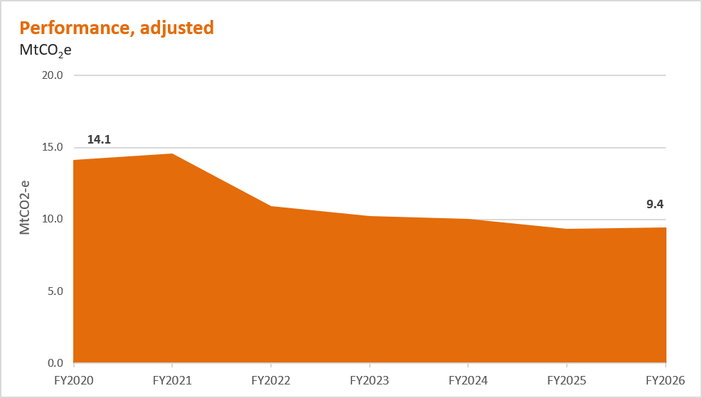

Value chain GHG emissions (Scope 3 emissions) target and goals performance
Scope 3 overall, adjusted for acquisitions, divestments and methodology changes |  | FY2020 | FY2021 | FY2022 | FY2023 | FY2024 | FY2025 | FY2026
Long-term net zero goal (MtCO2-e) |  | 352.6 | 356.7 | 364.4 | 371.6 | 376.8 | 376.7 | 383.8
Category 1, Purchased goods and services (including capital goods) |  | 9.5 | 9.7 | 9.4 | 10.4 | 11.1 | 10.4 | 9.7
Category 3, Fuel- and energy-related activities |  | 2.4 | 2.1 | 2.3 | 3.0 | 3.0 | 2.6 | 2.1
Category 4, Upstream transportation and distribution |  | 4.9 | 5.3 | 4.9 | 4.9 | 4.8 | 4.6 | 4.6
Category 6, Business travel |  | 0.1 | 0.1 | 0.1 | 0.1 | 0.1 | 0.1 | 0.1
Category 7, Employee commuting |  | 0.2 | 0.4 | 0.3 | 0.2 | 0.3 | 0.3 | 0.3
Category 9, Downstream transportation and distribution |  | 2.2 | 2.3 | 2.5 | 2.2 | 2.2 | 2.1 | 1.8
Category 10, Processing of sold products |  | 294.0 | 301.5 | 306.7 | 313.2 | 316.2 | 318.2 | 323.3
Category 11, Use of sold products |  | 39.1 | 34.9 | 37.6 | 37.0 | 38.4 | 37.7 | 41.2
Category 15, Investments (i.e. our non-operated assets) |  | 0.2 | 0.4 | 0.6 | 0.6 | 0.7 | 0.7 | 0.7
Change against FY2020 reference year (%) |  | 0% | 1% | 3% | 5% | 7% | 7% | 9%

Direct suppliers, adjusted for acquisitions, divestments and methodology changes |  | FY2020 | FY2021 | FY2022 | FY2023 | FY2024 | FY2025 | FY2026
Long-term net zero target (MtCO2-e) |  | 12.2 | 12.3 | 12.1 | 13.7 | 14.5 | 13.4 | 12.2
Category 1, Purchased goods and services (including capital goods) |  | 9.5 | 9.7 | 9.4 | 10.4 | 11.1 | 10.4 | 9.7
Category 3, Fuel- and energy-related activities |  | 2.4 | 2.1 | 2.3 | 3.0 | 3.0 | 2.6 | 2.1
Category 6, Business travel |  | 0.1 | 0.1 | 0.1 | 0.1 | 0.1 | 0.1 | 0.1
Category 7, Employee commuting |  | 0.2 | 0.4 | 0.3 | 0.2 | 0.3 | 0.3 | 0.3
Change against FY2020 reference year (%) |  | 0% | 1% | -1% | 12% | 19% | 10% | 0%

Shipping, adjusted for acquisitions, divestments and methodology changes | CY2008 | FY2020 | FY2021 | FY2022 | FY2023 | FY2024 | FY2025 | FY2026
Long-term net zero target (MtCO2-e) | Not applicable | 6.6 | 7.2 | 7.1 | 6.4 | 6.2 | 5.8 | 5.7
Category 4, Upstream transportation and distribution (shipping) |  | 4.5 | 4.9 | 4.6 | 4.4 | 4.3 | 4.3 | 4.4
Category 9, Downstream transportation and distribution (shipping) |  | 2.1 | 2.3 | 2.5 | 2 | 1.9 | 1.5 | 1.3
Change against FY2020 reference year (%) | Not applicable | 0% | 9% | 8% | -3% | -6% | -12% | -14%
Medium-term goal (gCO2-e/dwt/nm) | 5.8 | Not applicable | Not applicable | Not applicable | 3.5 | 3.4 | 3.3 | 3.1
Change against CY2008 baseline year (%) | 0% | Not applicable | Not applicable | Not applicable | -40% | -42% | -44% | -46%

Steelmaking |  |  |  | FY2022 | FY2023 | FY2024 | FY2025 | FY2026
Medium-term goal (US$ million) |  |  |  | 75 | 114 | 140 | 171 | 186

Value chain GHG emissions (Scope 3 emissions) medium-term goals definitions, assumptions, adjustments and additional key details |  | Steelmaking medium-term goal |  |  | Shipping medium-term goal
Description |  | Support industry to develop steel production technology capable of 30 per cent lower GHG emissions intensity relative to conventional blast furnace steelmaking, with widespread adoption expected post-CY2030. |  |  | Support 40 per cent GHG emissions intensity reduction of BHP-chartered shipping of BHP products by CY2030, from a CY2008 baseline.
Baseline year or reference year and period |  | Reference year: CY2020 (global average GHG emissions intensity for conventional blast furnace steelmaking as at CY2020, being 2.2 tonnes of CO2 per tonne of crude steel. Source: IEA Iron and Steel Technology Roadmap (October 2020)). CY2020 is used as a reference year to assess the potential of collaborative partnerships and venture capital investments to which we may commit funding (refer to Measurement approach in this table) but is not a baseline year for achieving our goal Period: FY2020 to CY2030 |  |  | Baseline year: CY2008 (reflecting International Maritime Organisation (IMO) objectives for the shipping industry) Period: CY2008 to CY2030
Type and reduction |  | Type: Not applicable Reduction: Not applicable |  |  | Type: Intensity Reduction: Gross; 40 per cent
Boundary |  | Not applicable |  |  | − Scope 3 GHG emissions from maritime transportation not owned or operated by BHP, but chartered and paid for by BHP, where the transportation was of BHP-produced products sold by BHP. − Inventory boundary: Scope 3 emissions, Category 4, shipping of BHP products only.
Exclusions |  | Not applicable |  |  | The shipping medium-term goal excludes the following: – GHG emissions from maritime transportation owned, operated and/or chartered and paid for by a third party, where the transportation was of BHP-produced products sold by BHP – GHG emissions from maritime transportation not owned or operated by BHP but chartered and paid for by BHP, where the transportation was of third-party-produced products sold by BHP (pursuant to our third-party-trading activity) – GHG emissions from maritime transportation not owned or operated by BHP but chartered and paid for by BHP or a third party, where the transportation was of products purchased by BHP
GHGs included |  | Not applicable |  |  | CO2, CH4, N2O
Offsetting |  | Not applicable |  |  | Carbon credit use not planned but will be periodically assessed.
Measurement approach |  | Committed funding (US$) for collaborative partnerships and venture capital investments with the aim to support industry to develop steel production technology capable of 30 per cent lower GHG emissions intensity relative to conventional blast furnace steelmaking. |  |  | Average gCO2-e per deadweight tonne per nautical mile (gCO2-e/dwt/nm), weighted based on IMO-defined vessel size ranges utilised by BHP during the time period, using a well-to-wake CO2-e emission factor from EU Regulation 2023/1805.
Key adjustments made to baseline year and subsequent data |  | Not applicable |  |  | Baseline year and performance data have been adjusted to only include voyages associated with the transportation of commodities currently in BHP’s portfolio due to the data availability challenges of adjusting by asset or operation for CY2008 and subsequent year data. GHG emissions intensity calculations currently include the transportation of copper, iron ore, steelmaking coal, energy coal, molybdenum, uranium and nickel. Baseline year and performance data have also been adjusted for a methodology change to use maritime transport emission factors from EU Regulation 2023/1805, after The British Standards Institution EN 16258 standard (the source of the emission factors we previously used) was withdrawn in CY2023.
Performance, (adjusted only for shipping) |  | FY2022: US$75 million | FY2023: US$114 million | FY2024: US$140 million | FY2025: US$171 million | FY2026: US$ 186 million, cumulative spend since FY2020. |  |  | CY2008: 5.8 gCO2-e/dwt/nm | FY2023: 3.5 gCO2-e/dwt/nm | FY2024: 3.4 gCO2-e/dwt/nm | FY2025: 3.3 gCO2-e/dwt/nm | FY2026: 3.1 gCO2-e/dwt/nm
Goal setting method |  | Qualitative. Tracked based on the funding (US$) we commit in collaborative partnerships and venture capital investments with the aim to support industry to develop steel production technology capable of 30 per cent lower GHG emissions intensity relative to conventional blast furnace steelmaking. |  |  | Set as a point in time, i.e. with the specific date of ‘by CY2030’ for our goal to support a 40 per cent GHG emissions intensity reduction of BHP-chartered shipping of BHP products, while reflecting the challenges and uncertainty and our inability (as BHP alone) to ensure Scope 3 emission reductions. As a result, the goal is not based on a trajectory and does not imply a specific carbon budget, and so Scope 3 emissions may fluctuate (with some increases and/or non-linear decreases) during the period before the goal date.
Goal derived using a sectoral decarbonisation approach |  | Not applicable |  |  | No. The goal is not based on a trajectory and does not imply a specific carbon budget, and Scope 3 emissions may fluctuate (with some increases and/or non-linear decreases) during the period before the goal date.
Process for reviewing the setting of the goal |  | The Nomination and Governance Committee assists the Board with reviewing BHP's significant social, community and sustainability-related policies (including those related to climate change and climate transition planning), and reviews and makes recommendations to the Board on BHP's public sustainability-related targets and goals. For more information on review of our GHG emissions goals and targets refer to BHP Annual Report 2026, Sustainability Report 1 Introduction, 5.2 Climate-related metrics and 6 Governance.
Process for monitoring progress towards the goal |  | Monitored on a six-monthly basis through our social value scorecard framework, with progress reviewed by management and the Board as part of publication of our half-year results and annual reporting disclosures, or more frequently if required.
Third-party validation of our goal |  | The goals and the methodologies for setting the goals have not been validated by a third party.
Carbon budget for goal period |  | Not applicable |  |  | Our goal is not based on a trajectory and does not imply a specific carbon budget.
Expected progression |  | Not applicable |  |  | Scope 3 emissions may fluctuate (with some increases and/or non-linear decreases) during the period before the goal date. For more information on progression refer to BHP Annual Report 2026, Sustainability Report 2.2.3 Shipping.

Value chain GHG emissions (Scope 3 emissions) long-term net zero targets and goal definitions, assumptions, adjustments and additional key details |  | Value chain long-term net zero goal |  | Shipping long-term net zero target |  | Direct suppliers long-term net zero target
Description |  | We have a long-term goal of net zero Scope 3 GHG emissions by CY2050. Achievement of this goal is uncertain, particularly given the challenges of a net zero pathway for our customers in steelmaking, and we cannot ensure the outcome alone. |  | Achieve net zero by CY2050 for the GHG emissions from all shipping of BHP products. Ability to achieve the target is subject to the widespread availability of carbon neutral solutions to meet our requirements, including low to zero GHG emission technologies, fuels, goods and services. |  | Achieve net zero by CY2050 for the operational GHG emissions of our direct suppliers. Ability to achieve the target is subject to the widespread availability of carbon neutral solutions to meet our requirements, including low to zero GHG emissions technologies, fuels, goods and services.
Reference year and period |  | Reference year: FY2020. FY2020 is used as a reference year to track progress towards our targets and goal, but is not a baseline year for achieving our targets or goal. Period: FY2020 to CY2050
Type and reduction |  | Type: Absolute Reduction: Net; 100 per cent
Boundary |  | − Total reported Scope 3 emissions are estimated on an equity basis for downstream GHG emissions. For the upstream GHG emissions component, the boundary is defined on a category-by-category basis due to data limitations. − Inventory boundary: Scope 3 emissions. |  | − GHG emissions from maritime transportation not owned or operated by BHP where the transportation was of BHP-produced products sold by BHP. May be BHP-chartered or third-party-chartered. In some cases, the target’s boundary may differ from the boundaries under mandatory reporting. − Inventory boundary: Scope 3 emissions, Categories 4 and 9, shipping of BHP products only. |  | − Scopes 1 and 2 emissions of our direct suppliers included in BHP’s reported Scope 3 emissions reporting categories of purchased goods and services (including capital goods), fuel- and energy-related activities, business travel and employee commuting. In some cases, the target’s boundary may differ from the boundaries under mandatory reporting. − Inventory boundary: Scope 3 Categories 1, 3, 6 and 7 (subset) emissions are being used as a proxy for the Scopes 1 and 2 emissions of our direct suppliers.
Exclusions |  | Refer to exclusions for our shipping and direct suppliers' long-term net zero targets. |  | − GHG emissions from maritime transportation not owned or operated by BHP, but chartered and paid for by BHP, where the transportation was of third-party-produced products sold by BHP (pursuant to our third-party-trading activity). − GHG emissions from maritime transportation not owned or operated by BHP, but chartered and paid for by BHP or a third party, where the transportation was of products purchased by BHP. |  | Scope 3 emissions (for our direct suppliers) associated with our purchased goods and services (including capital goods), fuel- and energy-related activities, business travel and employee commuting.
GHGs included |  | Defined by the available data, which differs by Scope 3 emissions category. We intend to continue to improve our GHG emission calculations over time to encompass specific GHGs as data becomes available. |  | CO2, CH4, N2O |  | Defined by the available data, which differs by Scope 3 emissions category. We intend to continue to improve our GHG emission calculations over time to encompass specific GHGs as data becomes available.
Offsetting |  | We anticipate offsetting by our customers, suppliers and other third parties will play a role in meeting our long-term net zero goal (and potentially our long-term net zero targets), particularly for residual GHG emissions in steelmaking, which are not currently expected to reach zero by CY2050. Where third parties offset their GHG emissions that appear in our reported Scope 3 emissions inventory and for the purposes of our net value chain 2050 goal and targets, we plan to recognise and report the net GHG emissions after offsetting. Carbon credits sourced by third parties in our value chain and associated with GHG emissions that appear in our reported Scope 3 emissions inventory and against our targets and goals would need to be high-integrity (determined having regard to guidance from global best practice, relevant regulatory standards and the integrity standards we apply to our sourcing of voluntary carbon credits) before we recognised that offsetting in our reporting.
Measurement approach |  | Description of the measurement approach can be found in the BHP Annual Report 2026, Sustainability Report Table 6e. |  | Vessel- and voyage-specific GHG emissions calculated using maritime transport emission factors from EU Regulation 2023/1805. |  | As a proxy for measurement of the Scopes 1 and 2 emissions of our direct suppliers, progress is currently measured using Categories 1, 3, 6 and 7 emissions data using a mix of spend-based and activity-based methodology.
Key adjustments made to reference year and subsequent data |  | Category 1, Category 3, Category 4 (maritime component), Category 9 (maritime component), Category 10, Category 11 and Category 15 GHG emissions in reference year and performance data have been adjusted for the divestment of our interest in Cerrejón (with an effective economic date of 31 December 2020), divestment of our interest in BMC (completed on 3 May 2022), divestment of our interest in the Rhourde Ouled Djemma (ROD) Integrated Development (completed in April 2022), divestment of our Petroleum business (merger with Woodside completed on 1 June 2022), BMA’s divestment of the Blackwater and Daunia mines (completed on 2 April 2024) and acquisition of OZ Minerals (completed on 2 May 2023), excluding the now divested OZ Minerals Brazil assets. Category 1 GHG emissions in reference year and performance data have been adjusted using emission factors from CEDA (historically we used emissions factors from Quantis). Categories 4, 6 and 7 were not adjusted due to the immateriality of the adjustment. Category 3 GHG emissions in reference year and performance data have been adjusted to include emissions from the production of energy by Tamakaya Energía Spa (Kelar Power Plant) being reclassified from Category 15 Investments. The remaining categories have not been adjusted due to their immateriality to our long-term net zero goal. FY2025 Category 1 emissions have been restated from the previously reported adjusted inventory to correct an unintended error arising from the inclusion of GHG emissions associated with Samarco, which is not under BHP’s operational control. This correction reduced FY2025 Category 1 emissions by 0.5 MtCO2-e (adjusted). |  | Category 4 (maritime component) and Category 9 (maritime component) GHG emissions in reference year and performance data have been adjusted for a methodology change to use maritime transport emission factors from EU Regulation 2023/1805, after The British Standards Institution (BSI) EN 16258 standard (the source of the emission factors we previously used) was withdrawn in CY2023 (adjustment applicable for reference year and FY2020 to FY2024 performance data), and have been adjusted for the divestment of our interest in BMC (completed on 3 May 2022), divestment of our Petroleum business (merger with Woodside completed on 1 June 2022), BMA’s divestment of the Blackwater and Daunia mines (completed on 2 April 2024) and acquisition of OZ Minerals (completed on 2 May 2023), excluding the now divested OZ Minerals Brazil assets. |  | Category 1 and Category 3 GHG emissions in reference year and performance data have been adjusted for the divestment of our interest in BMC (completed on 3 May 2022), divestment of our Petroleum business (merger with Woodside completed on 1 June 2022), BMA’s divestment of the Blackwater and Daunia mines (completed on 2 April 2024) and acquisition of OZ Minerals (completed on 2 May 2023), excluding the now divested OZ Minerals Brazil assets. Categories 6 and 7 were not adjusted due to their immateriality to our long-term net zero target. Category 1 and Category 3 GHG emissions in reference year and performance data have been adjusted for the divestment of our interest in BMC (completed on 3 May 2022), divestment of our Petroleum business (merger with Woodside completed on 1 June 2022), BMA’s divestment of the Blackwater and Daunia mines (completed on 2 April 2024) and acquisition of OZ Minerals (completed on 2 May 2023) excluding the now divested OZ Minerals Brazil assets. Categories 6 and 7 were not adjusted due to their immateriality to our long-term net zero target. Category 1 in reference year and performance data have been adjusted using emission factors from CEDA (historically we used emissions factors from Quantis). Categories 4, 6 and 7 were not adjusted due to the immateriality of the adjustment. Category 3 GHG emissions in reference year and performance data have been adjusted to include emissions from the production of energy by Tamakaya Energía Spa (Kelar Power Plant) being reclassified from Category 15 Investments. FY2025 Category 1 emissions have been restated from the previously reported adjusted inventory to correct an unintended error arising from the inclusion of GHG emissions associated with Samarco, which is not under BHP’s operational control. This correction reduced FY2025 Category 1 emissions by 0.5 MtCO2-e (adjusted).
Performance, adjusted |  | FY2020: 352.6 MtCO2-e | FY2021: 356.7 MtCO2-e | FY2022: 364.4 MtCO2-e | FY2023: 371.6 MtCO2-e | FY2024: 376.8 MtCO2-e | FY2025: 376.7 MtCO2-e | FY2026: 383.8 MtCO2-e |  | FY2020: 6.6 MtCO2-e | FY2021: 7.2 MtCO2-e | FY2022: 7.1 MtCO2-e | FY2023: 6.4 MtCO2-e | FY2024: 6.2 MtCO2-e | FY2025: 5.8 MtCO2-e | FY2026: 5.7 MtCO2-e |  | FY2020: 12.2 MtCO2-e | FY2021: 12.3 MtCO2-e | FY2022: 12.1 MtCO2-e | FY2023: 13.7 MtCO2-e | FY2024: 14.5 MtCO2-e | FY2025: 13.4 MtCO2-e | FY2026: 12.2 MtCO2-e
Target/goal setting method |  | Set as a point in time, i.e. with the specific date of ‘by CY2050’ to reach the target or goal of net zero, while reflecting the challenges and uncertainty and our inability (as BHP alone) to ensure Scope 3 emission reductions. As a result, the target or goal is not based on a trajectory and does not imply a specific carbon budget, and Scope 3 emissions may fluctuate (with some increases and/or non-linear decreases) during the period before the target or goal date.
Target/goal derived using a sectoral decarbonisation approach |  | No
Process for reviewing the setting of the target/goal |  | The Nomination and Governance Committee assists the Board with reviewing BHP's significant social, community and sustainability-related policies (including those related to climate change and climate transition planning), and reviews and makes recommendations to the Board on BHP's public sustainability-related targets and goals. For more information on review of our GHG emissions goals and targets refer to BHP Annual Report 2026, Sustainability Report 1 Introduction, 5.2 Climate-related metrics and 6 Governance.
Process for monitoring progress towards the target/goal |  | Monitored on a yearly basis through our annual reporting processes, with progress reviewed by management and the Board as part of publication of our annual reporting disclosures, or more frequently if required.
Third-party validation of our target/goal |  | The targets and goal and the methodologies for setting the targets and goal have not been validated by a third party.
Carbon budget for target/goal period |  | Our targets and goal are not based on trajectories and do not imply specific carbon budgets.
Expected progression |  | Scope 3 emissions may fluctuate (with some increases and/or non-linear decreases) during the period before the goal date. For more information on progression refer to BHP Annual Report 2026, Sustainability Report 2.2 Value Chain GHG emissions (Scope 3 emissions).

Value chain GHG emissions (Scope 3 emissions) ‒ Overall

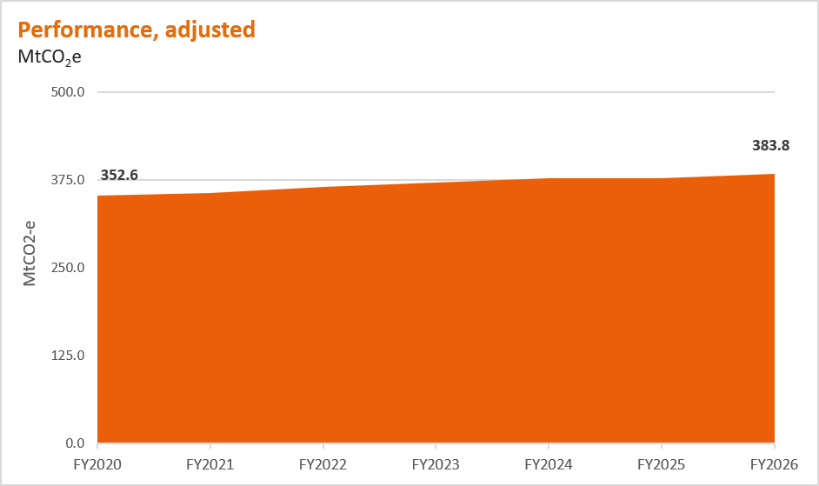

Value chain GHG emissions (Scope 3 emissions) ‒ Steelmaking |  | Value chain GHG emissions (Scope 3 emissions) ‒ Direct suppliers
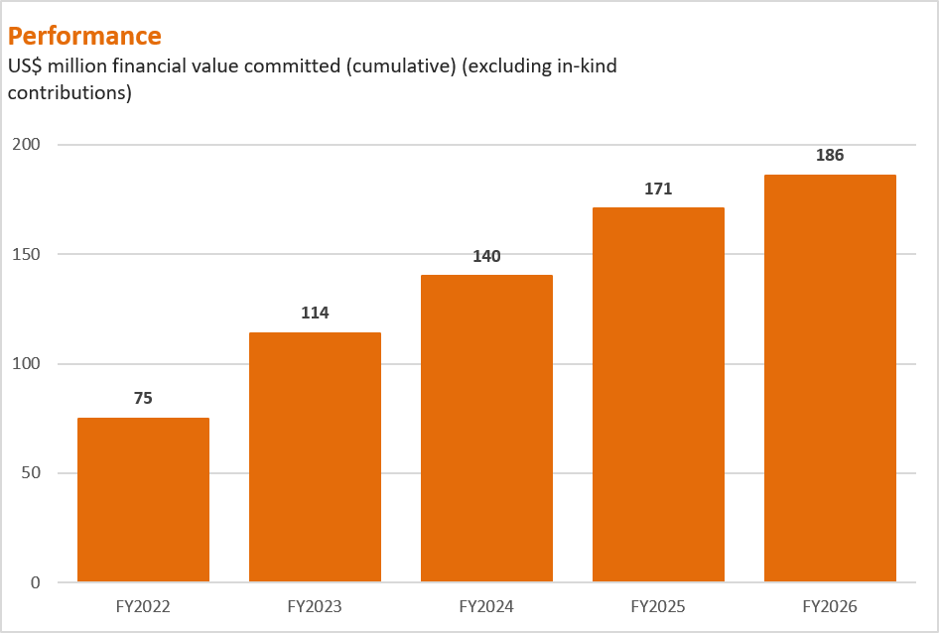
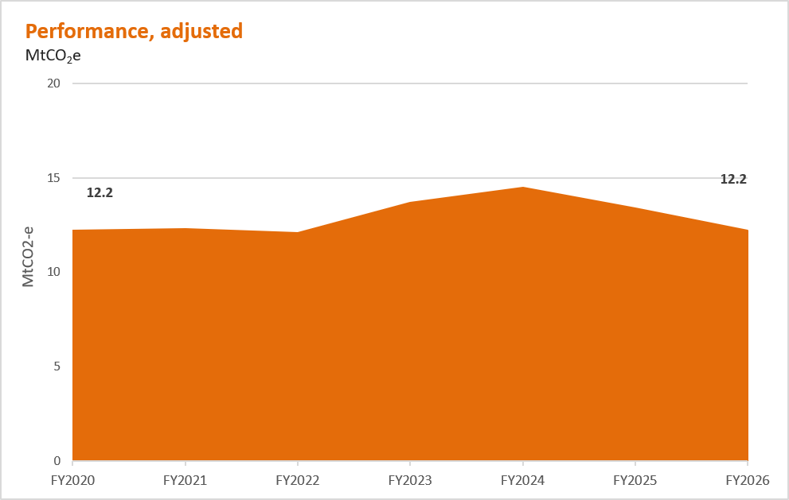

Value chain GHG emissions (Scope 3 emissions) – Shipping |  | Value chain GHG emissions (Scope 3 emissions) – Shipping

Additional climate-related data
 | ESG Standards and Databook 2026
 | Additional climate-related data

 | Important information
 | In this tab: - Electricity consumption and renewables (adjusted) - Energy consumption and renewables (adjusted) - GHG emissions intensity of the production of our commodities (adjusted) - Power purchase agreements (PPAs) - Retirement of voluntary carbon credits -The role of our commodities in the transition Notes: - For more information on the GHG emissions boundaries and measurement approach for our GHG emissions refer to BHP Annual Report 2026 Sustainability Report 7 Basis of preparation, interpretation and GHG emissions calculation methodology.

 | Electricity consumption ‒ adjusted
 | Operational electricity consumption |  | FY2020 | FY2021 | FY2022 | FY2023 | FY2024 | FY2025 | FY2026
 | Electricity consumption ‒ adjusted (PJ) |  | 37 | 38 | 38 | 40 | 39 | 38 | 38
 | Electricity consumption from grid ‒ adjusted (PJ) |  | 34 | 36 | 36 | 38 | 38 | 37 | 38
 | Electricity consumption from grid ‒ adjusted (%) |  | 94% | 95% | 95% | 95% | 95% | 98% | 99%
 | Electricity consumption from renewable sources ‒ adjusted (PJ) |  | 2 | 2 | 18 | 27 | 28 | 29 | 30
 | Electricity consumption from renewable sources ‒ adjusted (%) |  | 5% | 5% | 48% | 68% | 71% | 77% | 80%

 | Renewable energy consumption ‒ adjusted
 | Operational energy consumption |  | FY2020 | FY2021 | FY2022 | FY2023 | FY2024 | FY2025 | FY2026
 | Operational energy consumption ‒ adjusted (PJ) |  | 130 | 132 | 128 | 135 | 137 | 133 | 134
 | Operational energy consumption from renewable sources ‒ adjusted (PJ) |  | 2 | 2 | 18 | 27 | 28 | 29 | 30
 | Operational energy consumption from renewable sources ‒ adjusted (%) |  | 1% | 2% | 14% | 20% | 20% | 22% | 23%

 | Notes: - Definition: Energy consumption refers to the annual quantity of energy consumed by BHP from the combustion of fuel and operation of our facilities, together with purchased or acquired electricity, steam, heat or cooling consumed by our operated assets. - Organisational boundary: Operational energy consumption is reported from operations and entities over which BHP has operational control. BHP includes energy consumption from BMA in this boundary on a 100 per cent basis. - Operational energy consumption from renewable sources includes third-party supplied renewable electricity as evidenced by renewable energy certificates (RECs) or supplier-provided documentation. It includes both voluntary surrender of RECs and RECs surrendered to meet renewable energy-related compliance obligations such as those associated with the Australian Renewable Energy Target scheme. This approach is consistent with our transition from FY2026 to using a national residual mix factor (RMF) at our Australian assets. For operations in Chile, final validation for surrender of the rights to claim renewable energy attributes occurs on a calendar year basis, and for our operations in Australia, surrender of voluntary renewable energy attributes (large-scale generation certificates) can occur after the financial year. Given we report on a financial year basis, we will review our reported Scope 2 emissions at the close of the calendar year and restate in the next BHP Annual Reporting suite if any material variation is found. Operational energy consumption from renewable sources is greater than the energy quantity underpinned by RECs due to inclusion of additional renewable electricity supplied under the BMA CleanCo PPA evidenced by supplier-provided documentation, and a small quantity of biofuels consumed in a trial in FY2023.

 | Power purchase agreements (PPAs)
 | Asset | Supplier | Size (MWh p.a.) | Start date | Duration (years) | Type of renewable generation |  | FY2026 actual % renewable electricity consumption by asset | Asset-specific notes
 | Escondida (Chile) | Enel and Colbún | Each supplier: ~3,300,000 + 330,000 | FY2022 | Colbún: 10 Enel: 15 | Existing and new – approximately half from new generation |  | 100% | - Enel and Colbún supply electricity to both Escondida and Spence. - Enel PPA expansion option from 3 TWh to 3.3 TWh per annum has been triggered and is in effect. - Colbún PPA expansion option from 3 TWh to 3.3 TWh per annum has been triggered and is in effect. - Enel and Colbún PPAs include an additional 10% of intra annual flexible power, supplying up to a further 0.3 TWh/y each. - Following an increase in forecast demand, Spence has signed an agreement to procure renewable energy certificates (RECs) for any additional forecast electricity consumption not covered by the Enel and Colbún PPAs.
 | Spence (Chile) |  |  |  |  |  |  | 100%
 | BHP Mitsubishi Alliance (Australia) | CleanCo | Confidential | H2 FY2021 | 5 | New generation |  | 56% | - The term of the first PPA with CleanCo ended mid-FY2026.
 |  | CleanCo | PPAs provide 100% | H2 FY2026 | 5 | Existing and new generation |  |  | - A new PPA with CleanCo began mid-FY2026.
 |  | CleanCo | coverage of forecast demand (from 1 July 2026) | FY2027 | 7 | New generation |  |  | - A new PPA was signed with CleanCo in August 2024, which will begin FY2027.
 | Copper South Australia | Neoen | ~613,200 | FY2026 | Confidential | New generation |  | 35% | - Neoen PPA 1 supply started in FY2026.
 |  | Neoen | 876,000 | FY2030 | 10 | New generation |  |  | - A new PPA was signed with Neoen in September 2025, which will begin in FY2030.
 |  | Iberdrola | 175,200 | FY2028 | Confidential | Existing generation |  |  | - A new PPA was signed with Iberdrola in May 2026, which will begin in FY2028.
 | Western Australia Nickel (WAN) | SUN Energy | ~130,000 | FY2022 | 10 | Existing generation |  | 6% | - In July 2024, we announced our Nickel West operations and West Musgrave project (Western Australia Nickel) would be temporarily suspended from October 2024. - BHP intends to review this decision by February 2027. - WAN met their renewable energy target (RET) liability, where applicable.
 |  | Southern Cross Energy Partnership – Northern Goldfields Solar Project | ~94,000 | FY2023 | 15+ | New generation
 |  | Potentia Energy | ~315,000 | FY2025 | 14 | New generation
 | Western Australia Iron Ore | APA | Confidential | FY2026 | Confidential | New generation |  | 29% | - Commissioning of the Port Hedland Solar and Battery Project was completed in FY2026 and only supports WAIO's port facilities in Port Hedland. The performance from the PPA is consistent with the renewable energy volumes originally expected when entry into the PPA was announced in September 2022. However, our revised market based reporting methodology results in a different emissions outcome than the approach applied in 20221, making the actual percentage of renewable electricity consumption a more consistent metric to report.

 | Notes: - Actual percentage renewable electricity consumption by asset includes retirement of large-scale generation certificates (LGCs) encompassing both voluntary purposes and renewable energy target compliance in Australia, and/or supplier-provided documentation in line with the Greenhouse Gas Protocol Scope 2 Guidance unless otherwise specified. - Actual % renewable electricity consumption by asset may not be equivalent to the reduction of our reported Scope 2 emissions for a range of reasons, including the GHG emissions reporting methodology and the source(s) of displaced volumes of power. 1. The projected emissions abatement expected in September 2022 (halving of reported emissions from the generation of electricity used to power WAIO's port facilities, based on forecast demand and compared with FY2020 reported emissions) reflected use of a supplier‑specific emissions factor that included lower-emissions technologies. Under the market‑based reporting requirements applied for FY2026 to WAIO, emissions are calculated using the Australian national residual mix factor (RMF) applied to all energy consumption that is not evidenced by eligible RECs.

 | GHG emissions intensity of the production of our commodities
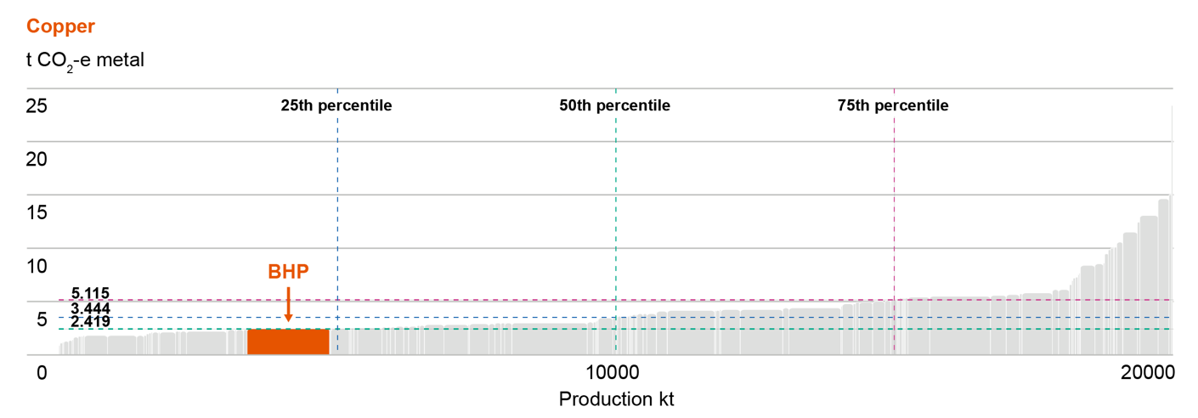
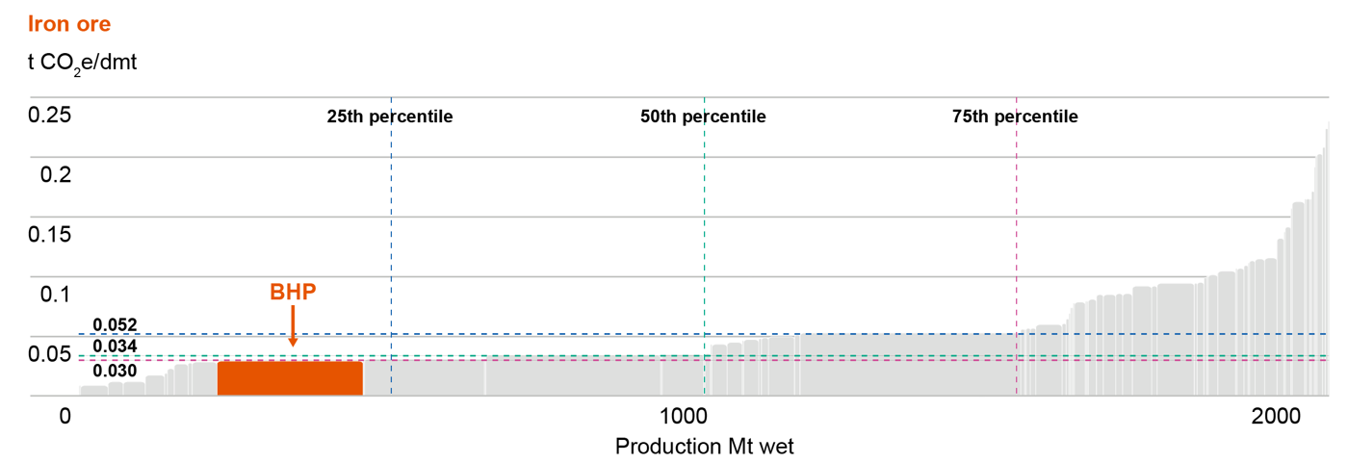

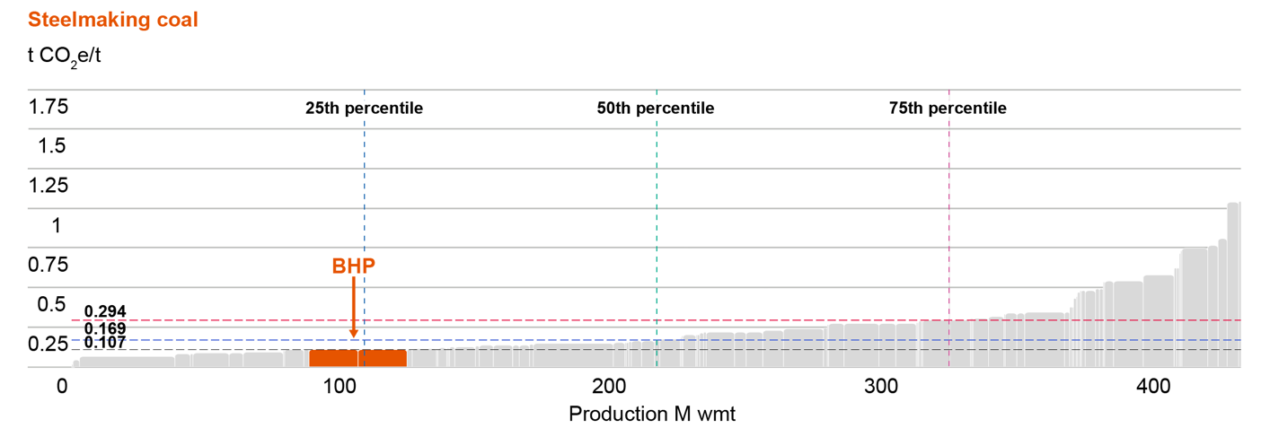

 | Notes: Analysis is based on CY2025 data from CRU (as CRU data is prepared on a calendar year basis), and includes CRU’s assumptions and estimates of BHP’s operations. Data was extracted on the 17July 2026. For more information on the calculation methodology, refer to crugroup.com.

 | Retirement of voluntary carbon credits
 | Project name | Project developer | Type of project | Methodology | Location | Vintage | Volume | Additional certificates | Registry and serial number
 | Cordillera Azul National Park REDD+ Project | CIMA, Cordillera Azul | Agriculture, Forestry and other Land use | VM007 REDD+ Methodology Framework | Peru (Loreto, Huanuco, San Martin, Ucayali) | 2018 | 100,000 | CCB-Gold | Verra (Project ID 985): 9274-78192923-78292922-VCS-VCU-263-VER-PE-14-985-08082017-07082018-1
 | The Kasigau Corridor REDD Project ‒ Phase I Rukinga Sanctuary | Wildlife Works Carbon LLC | Agriculture, Forestry and other Land use | VM0009 Methodology for Avoided Ecosystem Conversion | Kenya (Coast) | 2016 | 100,000 | CCB-Gold | Verra (Project ID 562): 7540-405394960-405494959-VCU-006-MER-KE-14-562-01012016-31122016-1
 | The Kasigau Corridor REDD Project ‒ Phase Il The Community Ranches | Wildlife Works Carbon LLC | Agriculture, Forestry and other Land use | VM0009 Methodology for Avoided Ecosystem Conversion | Kenya (Coast) | 2017 | 100,000 | CCB-Gold | Verra (Project ID 612): 7853-432876441-432976440-VCU-006-MER-KE-14-612-01012017-31122017-1

 | Notes: The above voluntary carbon credits do not contribute to our progress in meeting our operational GHG emissions (Scopes 1 and 2 emissions from our operated assets) medium-term target. Our plan is to meet our operational GHG emissions medium-term target through structural GHG emission abatement instead of offsetting our operational GHG emissions. However, if there is an unanticipated shortfall in our pathway to our medium-term target, we may need to use voluntary carbon credits that meet our integrity standards to close the performance gap.

 | The role of our commodities in the transition
 | The classification we have given to our commodities (described in the table below) is intended to be an indicative approach pending clear and resolved methodologies for identifying key transition materials that contribute to the transition to a net zero economy and the calculation of the revenues they generate. We also acknowledge the classification focuses on the theme of enabling the transition to a net zero economy to mitigate climate change, and broader sustainability indicators in relation to how these commodities are produced are also important to consider. We believe steelmaking materials like iron ore and steelmaking coal also have an important role to play in the global transition to net zero. We expect the blast furnace with carbon capture, utilisation and storage (CCUS) to be an important part of the journey towards the end-state objective of widespread near zero emission1 steel, and it requires higher-quality steelmaking coal as an input. External analysis, such as the International Energy Agency’s net zero by 2050 scenario2 supports this view.

 | Classification | Definition | Commodities | Source
 | Climate Action 100+ Net Zero Standard for Diversified Mining, September 2023 | Key transition materials | Copper, nickel | www.climateaction100.org/wp-content/uploads/2023/09/Climate-Action-100-Net-Zero-Standard-Diversified-Mining.pdf
 | FTSE Russell’s Green Revenues Classification System, v1.1, January 2024 | Key raw minerals and metals | Uranium | www.lseg.com/en/ftse-russell/green-revenues-data-model#key-features
 | BHP | Future-facing commodities3 | Copper, nickel, potash

 | Notes: 1. 'Near zero emissions (for steelmaking or ironmaking)' is defined as 0.40 tonnes of CO2 -e per tonne of crude steel for 100 per cent ore-based production (no scrap), as defined by the International Energy Agency (IEA) and implemented in ResponsibleSteel International Standard V2.0 (‘near zero’ performance level 4 threshold). IEA (2022), Achieving Net Zero Heavy Industry Sectors in G7 Members, IEA, Paris, License: CC BY 4.0, which also describes the boundary for the emission intensity calculation (including in relation to upstream emissions). 2. International Energy Agency’s World Energy Outlook 2023, iea.org/reports/world-energy-outlook-2023. 3. Commodities that we determine to be positively leveraged in the energy transition and broader global response to climate change, with potential for decades-long demand growth to support emerging megatrends like electrification and decarbonisation.

 | Historical commodity production, revenue and capital expenditure

 |  | Production (kt) |  | Revenue (US$M) |  | Growth capital expenditure (US$M) |  | Other capital expenditure and exploration1 (US$M) |  | Total capital expenditure and exploration (US$M)
 | Commodity | FY2026 | FY2025 | FY2026 | FY2025 | FY2026 | FY2025 | FY2026 | FY2025 | FY2026 | FY2025
 | Copper2 | 1,953 | 2,017 | 27,060 | 21,009 | 701 | 564 | 4,012 | 3,967 | 4,713 | 4,531
 | Nickel2 | - | 30 | 228 | 697 | - | 136 | 12 | 68 | 12 | 203
 | Potash | - | - | - | - | 1,813 | 1,626 | 1 | 16 | 1,814 | 1,642
 | Uranium | 4 | 3 | 608 | 519 | Included within figures for copper3
 | Iron ore5 | 264,717 | 262,981 | 23,726 | 22,767 | 327 | 221 | 2,842 | 2,500 | 3,169 | 2,721
 | Steelmaking coal | 18,626 | 18,010 | 3,804 | 3,393 |  | 9 | 398 | 408 | 398 | 417
 | Energy coal | 16,361 | 15,036 | 1,786 | 1,652 |  | 4 | 39 | 101 | 39 | 106
 | Other4 | Not applicable | Not applicable | 1,548 | 1,225 |  | - | 112 | 174 | 112 | 174
 | Total | Not applicable | Not applicable | 58,760 | 51,262 | 2,841 | 2,560 | 7,416 | 7,234 | 10,257 | 9,794

 | Notes: FY2025 figures include Western Australia Nickel which transitioned into temporary suspension in December 2024. We intend to review this decision by February 2027. FY2026 figures include Carajás assets up to the date of divestment on 2 April 2026. Numbers presented may not add up precisely to the totals provided due to rounding. 1. ‘Other capital expenditure’ includes baseline sustaining capital, non-recurring sustaining projects, deferred stripping and exploration. 2. Capital expenditure for by-products gold, silver and molybdenum is included within the capital expenditure for copper, while nickel is included within the capital expenditure for nickel. It is not possible to disaggregate due to the integrated nature of operations. 3. Capital expenditure for uranium is included within copper’s capital expenditure as it is not possible to disaggregate due to the integrated nature of operations. 4. ‘Other’ for ‘Production’ has not been calculated due to small production volumes of by-products cobalt, gold, lead, molybdenum, silver and zinc. ‘Other’ for ‘Revenue’ includes by-products cobalt, gold, lead, molybdenum, silver and zinc. ‘Other’ for ‘Growth capital expenditure’ and ‘Other capital expenditure’ primarily represents the capital spend for Group functions. 5. As of Q1 FY2026, Samarco is reported on a dry metric tonne (dmt) basis. FY2025 has been restated from wet metric tonne (wmt) to dmt for consistency.

